NANO DEWATA NON CK(Alcohol)
DATE | INV NO. | DESCRIPTIONS | AMOUNT | BILLS | PRICE | TOTAL | IDR 855,000
3-Mar-2026 | INX/NABLIX/26/03/0006 | GIFFARD PARFAIT TRIPLE SEC | 3 | 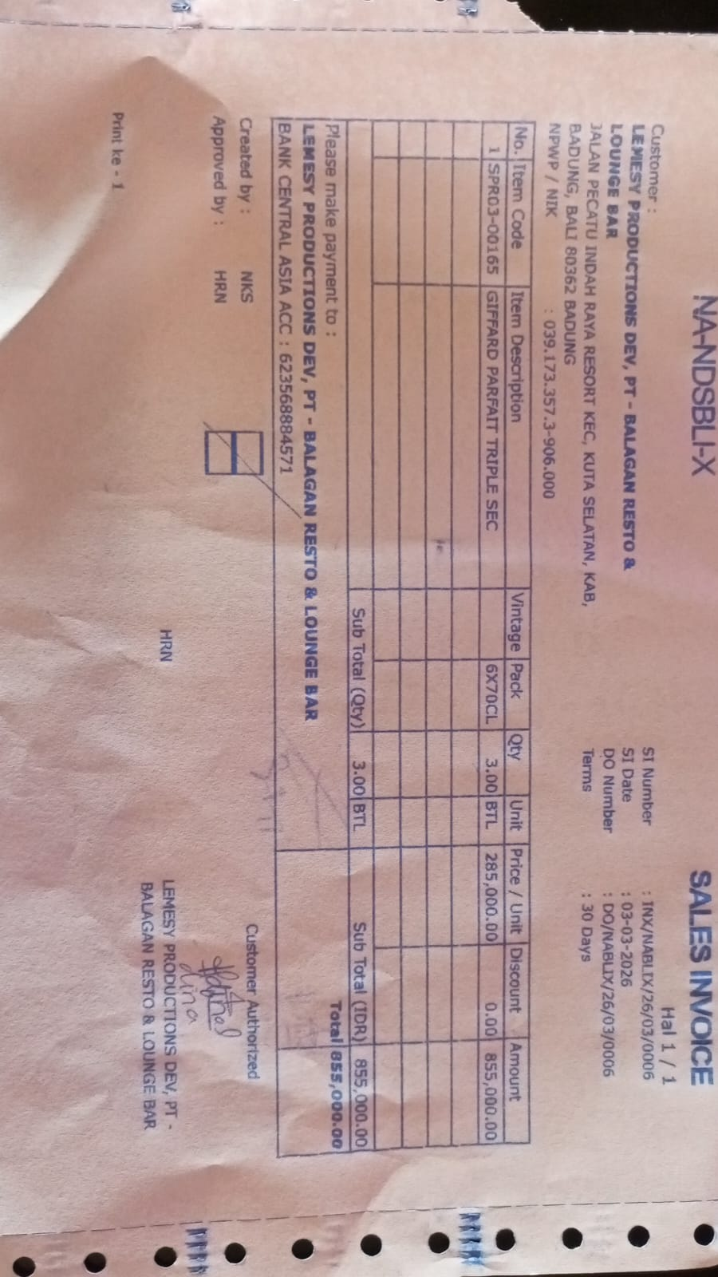 | IDR 285,000 | IDR 855,000
SUB TOTAL
TOTAL |  |  |  | IDR 855,000
 |  |  |  |  |  | IDR -
SUB TOTAL
TOTAL |  |  |  | Rp-

GRAND TOTAL |  |  |  | IDR 855,000

